guide
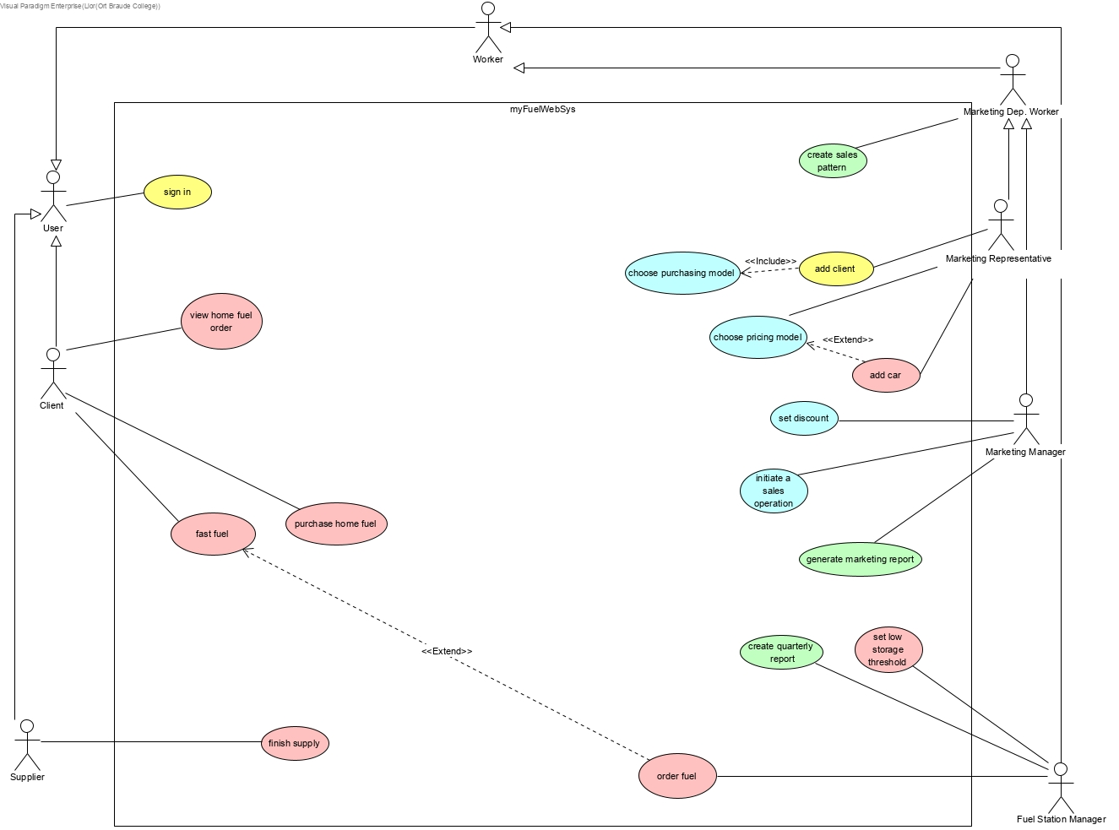
 | only entities - db
 |  | class to do list : |  |  | class | screan
class |  | pink | lior, liad | excluded: add car
- attribute |  | green | vlad |  | V | V
 |  | yellow | elroi | included:choose purchasing model
 |  | blue | eldad, elroi | included:add car

-method()

